Sequence Diagram
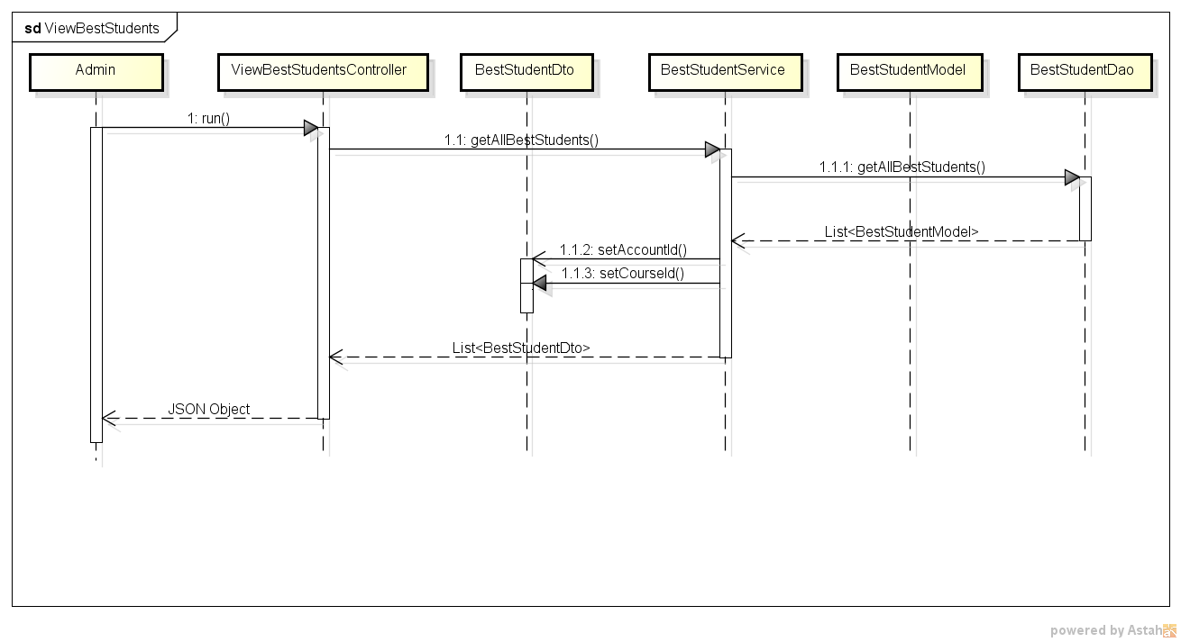
BTG Grade Submission System
Sequence Digrams
Use Case 1: Login
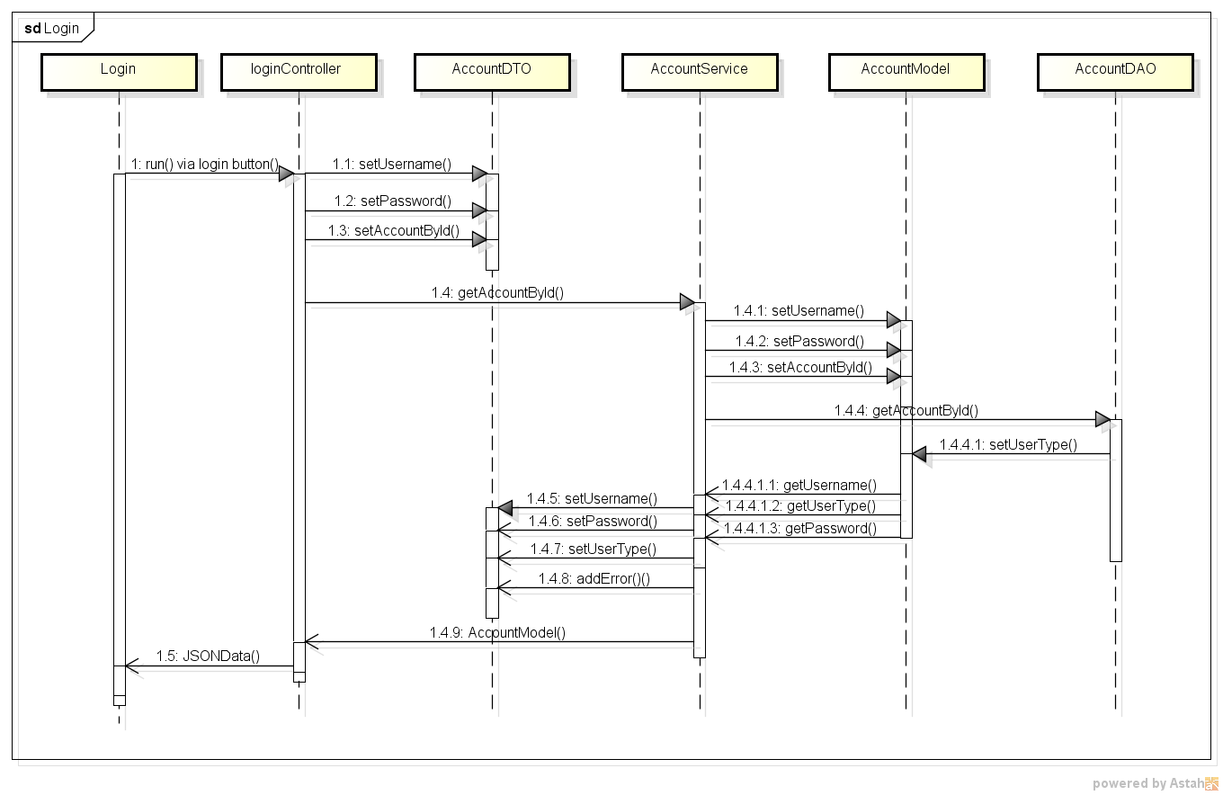

Use Case 2: Change Password
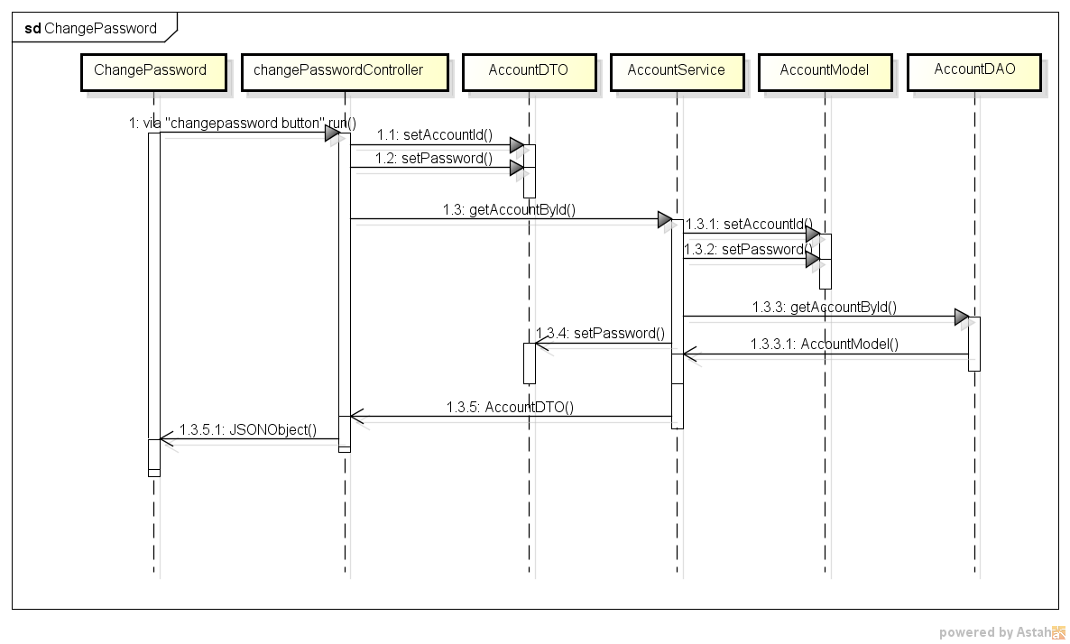

Use Case 3: Add Account
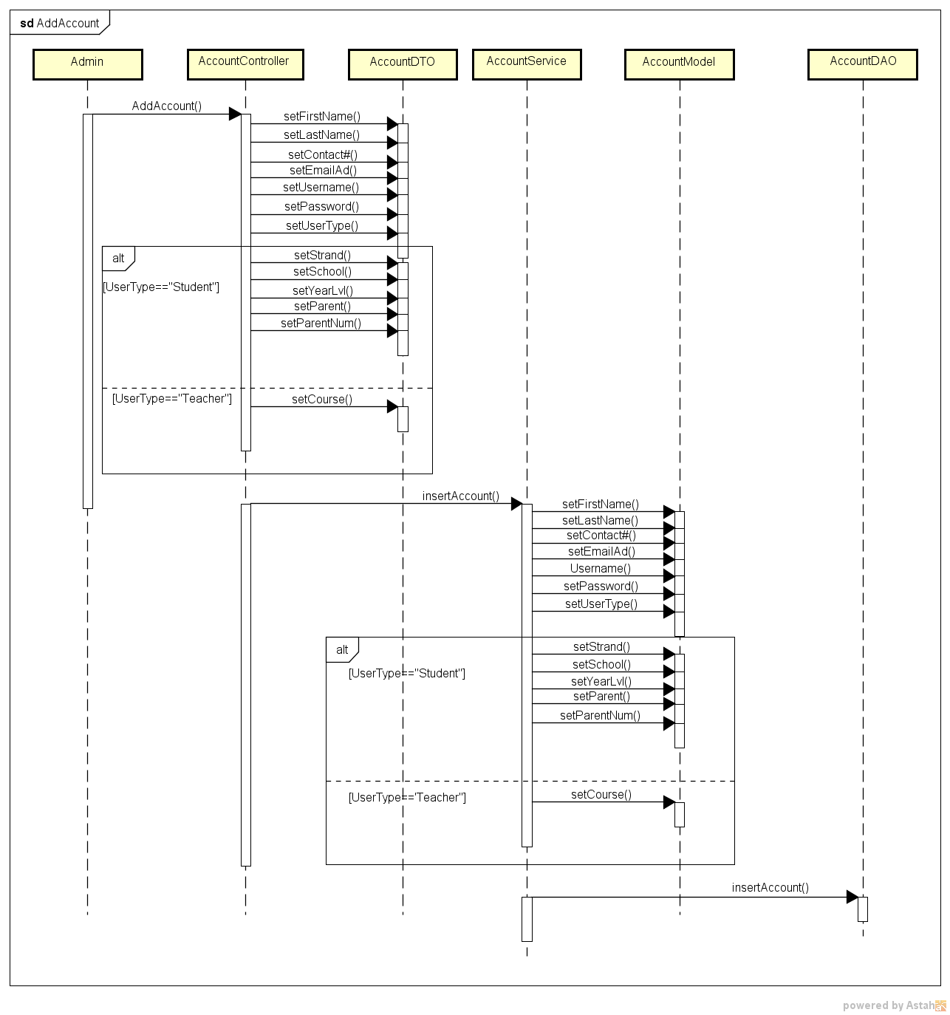

Use Case 4: Edit Account
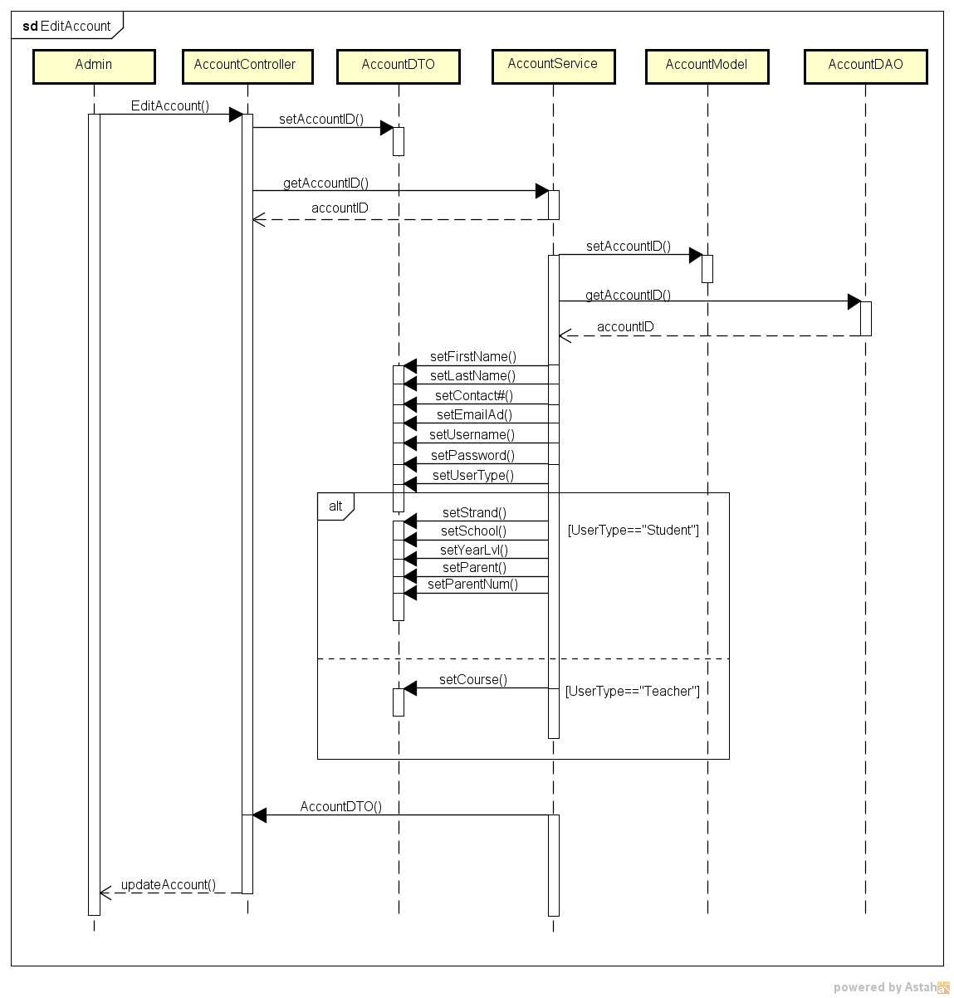

Use Case 5: Delete Account
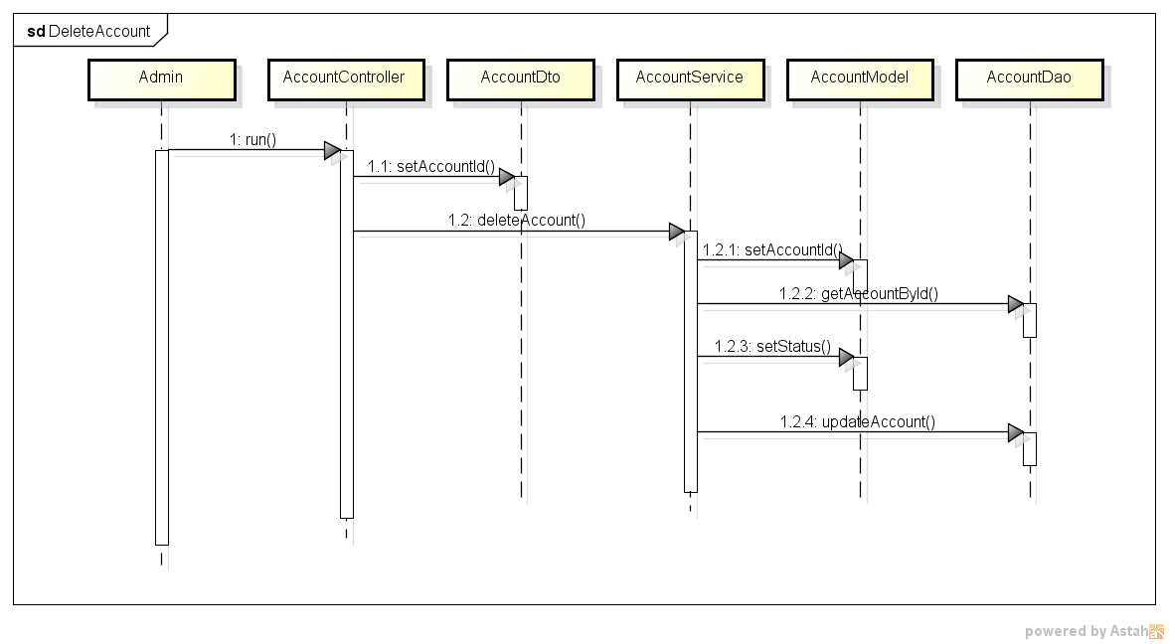

Use Case 6: Add Course
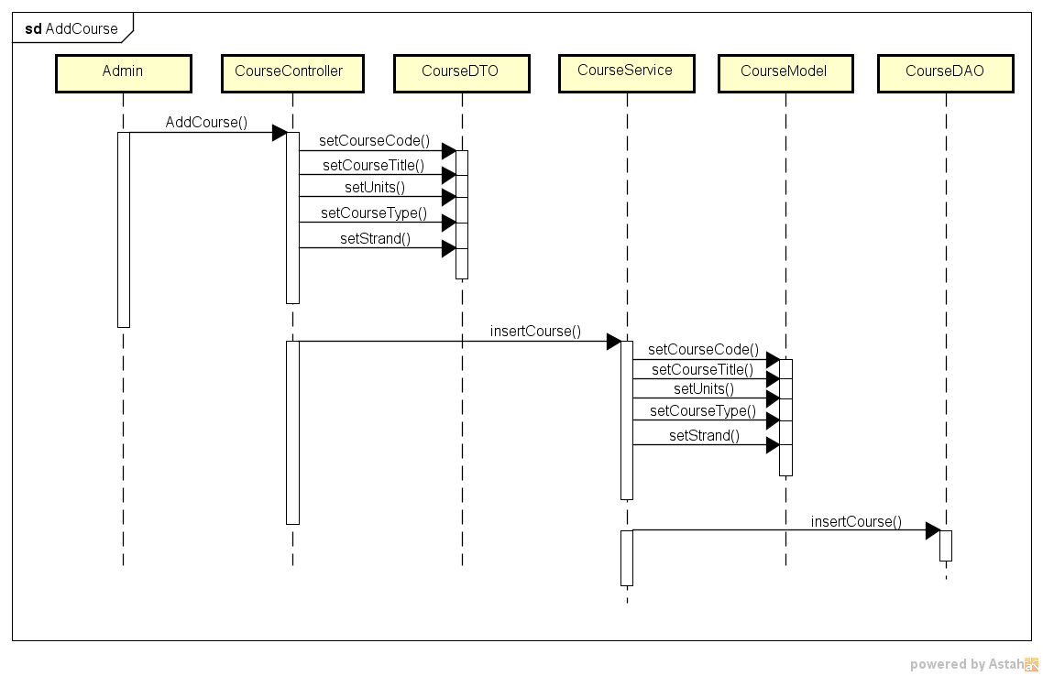

Use Case 7: Edit Course
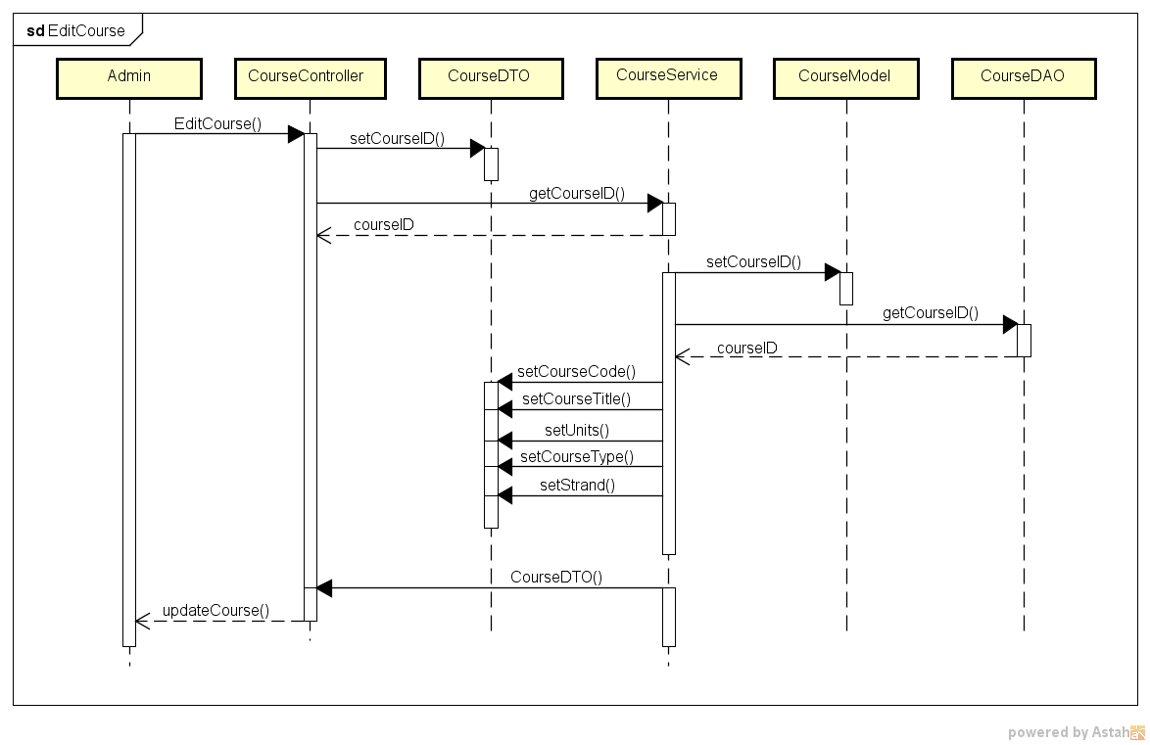

Use Case 8: Delete Course
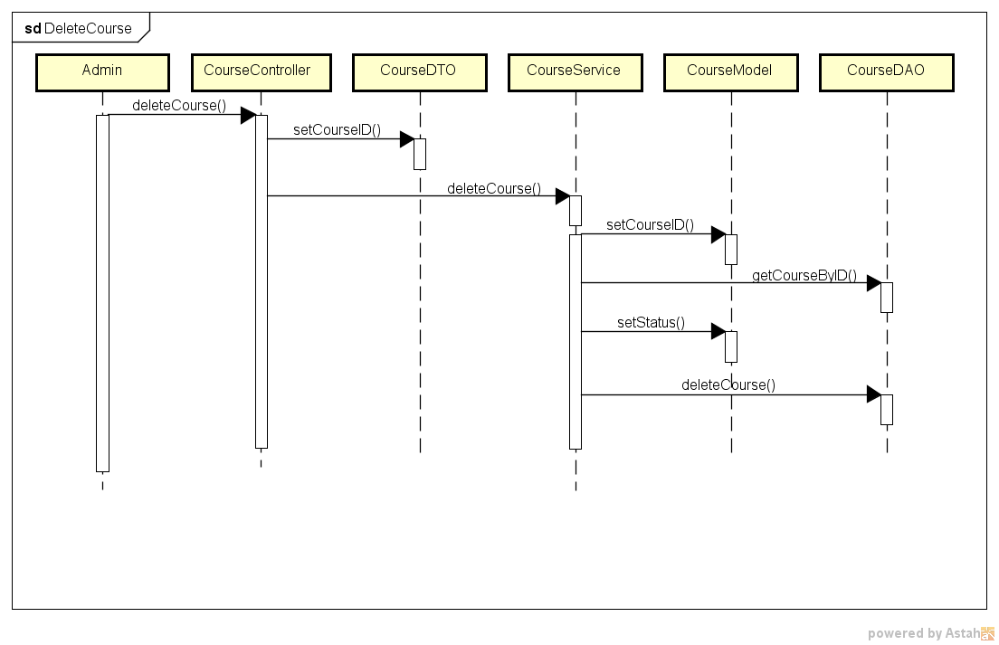

Use Case 9: Add Grade / Best Student
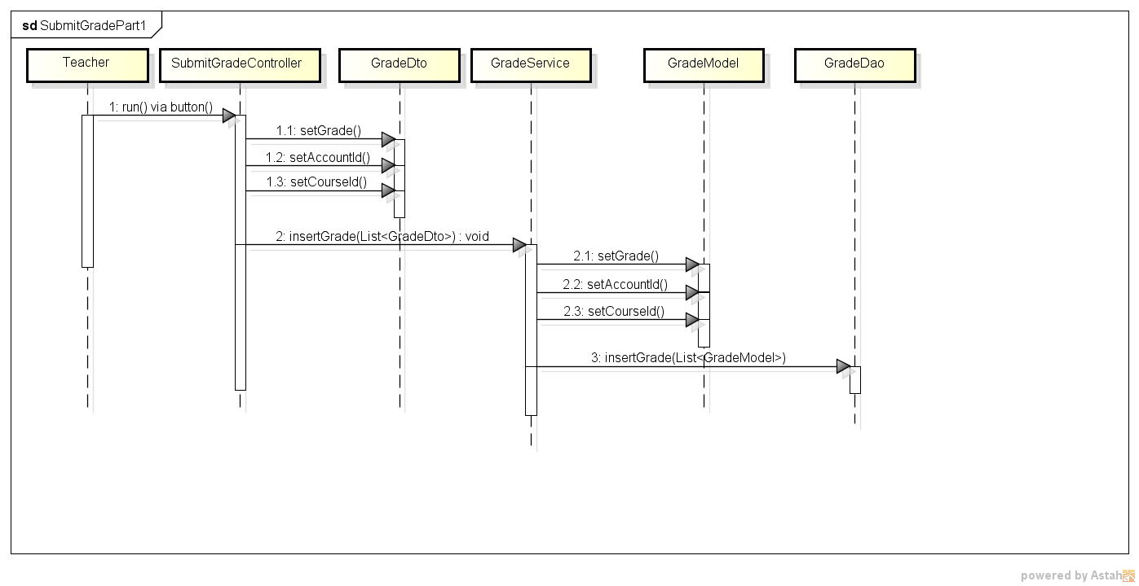

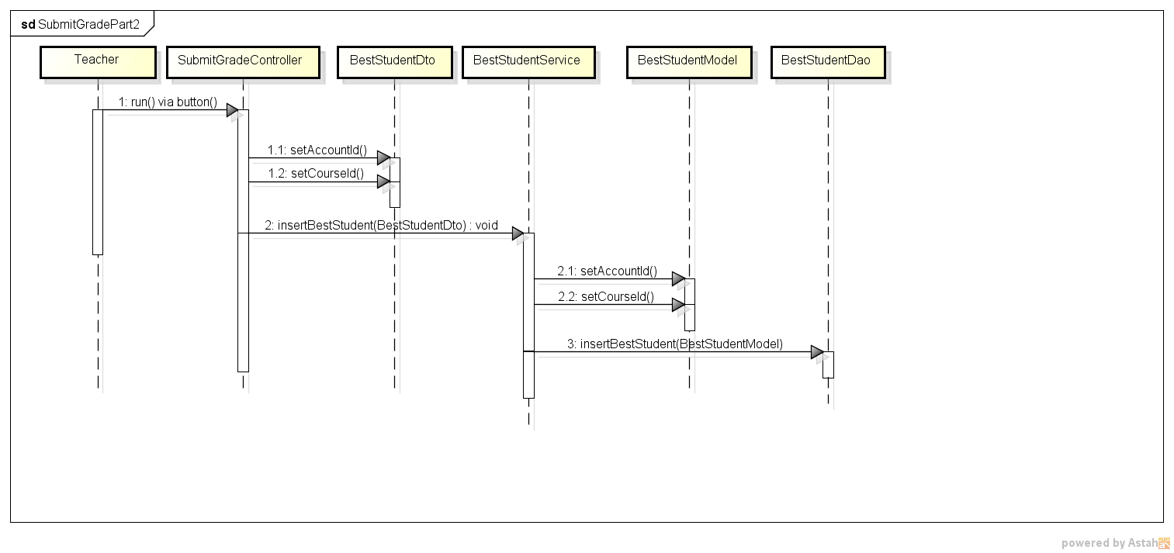

Use Case 10: Edit Grade
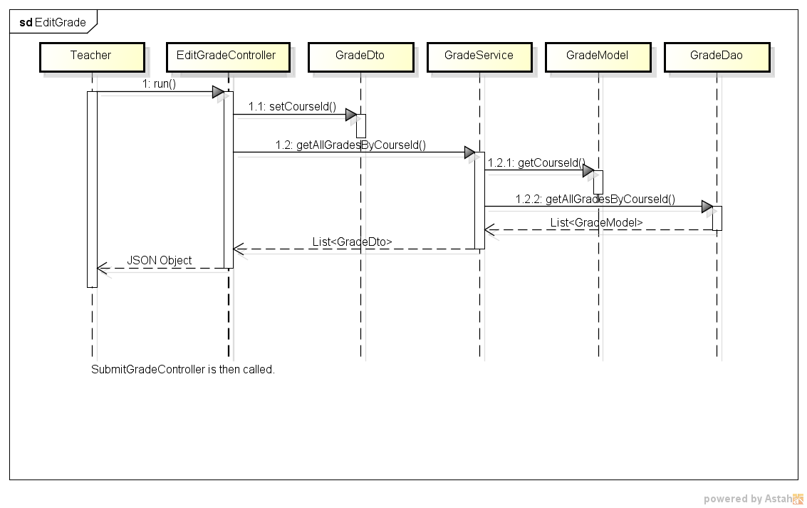

Use Case 11: Download Classlist
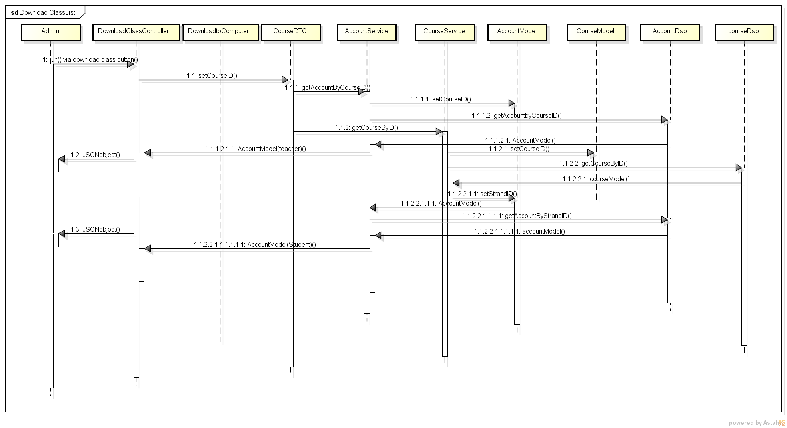

Use Case 12: Download Grades
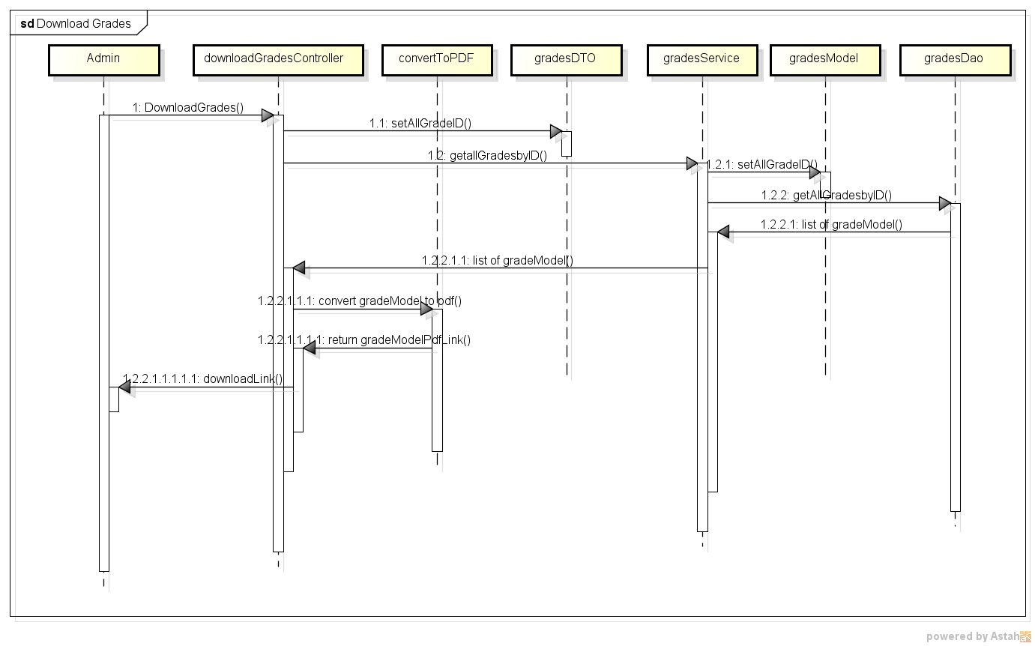

Use Case 13: Download Best Student
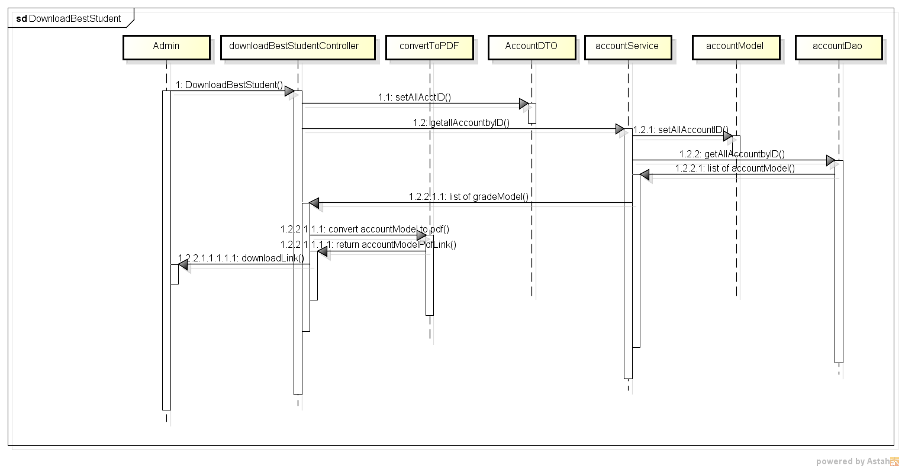

Use Case 14: View Class List
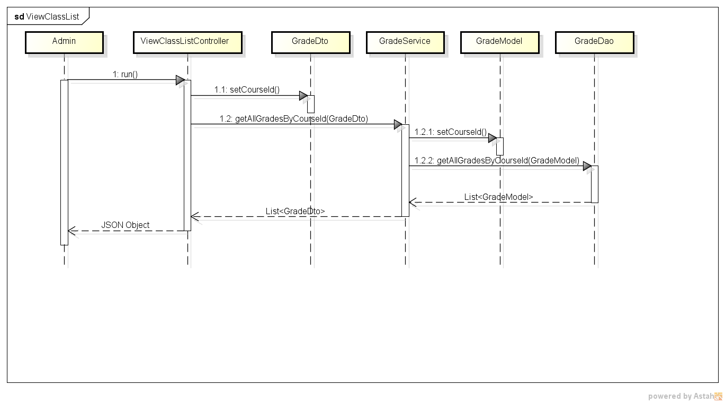

Use Case 15: View Top Three
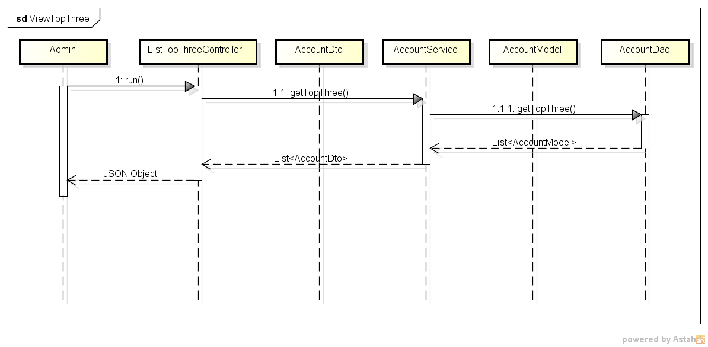

Use Case 16: View Best Students

Architecture
BTG Grade Submission System
Design: Software Architecture

Software Architecture

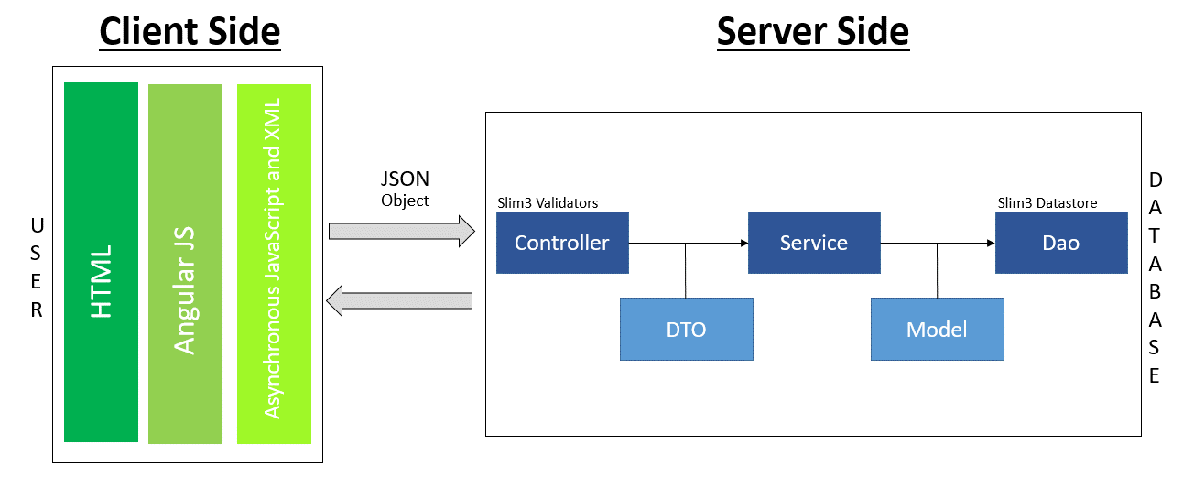

SMARTY DIGITAL ORGANIZER ARCHITECTURE

Components Description
HTML | Stores the function code, and user interface tamplates. Main form of display between client and server. A markup language for describing web documents.

Angular JS | is a structural framework for dynamic web apps. It lets you use HTML as your template language and lets you extend HTML's syntax to express your application's components clearly and succinctly.
Asynchronous Javascript and XML | Main programming language to manipulate html codes, allow client-side script to interact with the user and make dynamic pages.
Slim 3 Datastore | Stores the data to be accessed, processed, and display by the sofware.

Json Object | Type of data passed between client and server.
Service | Contains the codes that will store data to the model and and then query into the database
Model | Contains the classes that will be stored / retrieved from the database.
DTO | Where the objects that will contain the html 5 documents is stored. Is an object that carries data between HTML processes.
Controller | Stores the code that will handle server side operations.
DAO | Stores the CRUD methods / queries for the database

